1. Title Page
[Project Name]

Project Name : Instacart Grocery Basket Analysis
Date : 01/05/2023
Analyst Name: Swati

Contents:
Population Flow
Consistency checks
Wrangling steps
Column derivations
Visualizations
Recommendations

Data Citation
“The Instacart Online Grocery Shopping Dataset 2017”, Accessed from www.instacart.com/datasets/grocery-shopping-2017 via Kaggle on [date].
The “prices” column in the products data set was fabricated for the purpose of this CareerFoundry course.

2. Population Flow
 |  |  | Title page

Population flow

Exclusion flag
Condition: max_order <
Obervations to be removed:
Final total count of order_products_all:

Orders_products_combined
Orders_products_merged
Orders_products_all

Total:
Total:
Total:
32434489 | 32404859 | 32404859

1.) The grey boxes in the first row of the population flow represent the original data sets as they were when you downloaded them. In the Total fields you need to add the count of the rows when you imported the data set into Jupyter.
2.) The second row of boxes (coloured) represents the data sets after you manipulated them, e.g., removed missing values and duplicates. In the Total fields you need to add the count of the rows after conducting these operations. This offers a visual oveview of how the data flows throughout the data consistency checks.
3.) The third row, where also the arrows are coloured, represents the merges you performed between the datasets. In the Total fields you need to add the count of the rows in the merged datasets, so that you end up with the final dataset (in the red box). Keep in mind the final dataset should be without exclusions (based on the exclusion flag).

3. Consistency checks
 |  |  |  | Title page
Consistency checks

Dataset | Missing values | Missing values treatment | Duplicates
orders | days_since_prior_order | Nothing. It contained NaN for order_number = 1 as there will be no days prior to the first order. | No duplicates.
products | product_name | Removed missing values | 5 duplicates were removed
orders_products_prior | No missing values |  | No duplicates.
customers | No missing values |  | No duplicates.

4. Wrangling steps
 |  |  |  | Title page
Wrangling steps

Columns dropped | Columns renamed | Columns' type changed | Comment/Reason
eval_set in orders.csv |  |  | Not required for analysis
 | order_dow in orders.csv |  | Renamed to orders_day_of_week for understanding
 |  | order_id in orders.csv | Changed from integer to string
 | First Name, Surnam, STATE, Gender, Age, n_dependants, fam_status in customers.csv |  | Renamed for better understanding
first_name, surname |  |  | PII data removed for data security

5. Column derivations
 |  |  |  | Title page

Column derivations and aggregations

In this tab you should add tables below that the frequences of flags/label variables that you produced after deriving them. NB: don't do this for continuous variables, only for flags.
Dataset | New column | Column/s it was derived from | Conditions
orders_products_merged | price_range_loc | prices | if prices > 15, High range product if prices > 5 & prices <= 15, Mid range product if prices <= 5, Low range product
orders_products_merged | busiest_day | orders_day_of_week | if orders_day_of_week = 0, Busiest day if orders_day_of_week = 4, Least Busy else Regularly Busy
orders_products_merged | busiest_days | orders_day_of_week | if orders_day_of_week = 0 & 1, Busiest days if orders_day_of_week = 3 & 4, Least Busy else Regularly Busy
orders_products_merged | busiest_period_of_day | order_hour_of_day | if order_hour_of_day = 10,11,14,15,13,12,16,9 Most orders if order_hour_of_day = 23,6,0,1,5,2,4,3 Fewest orders else Average orders
orders_products_merged_update | loyalty_flag | max_order | if ['max_order'] > 40, 'loyalty_flag' = 'Loyal Customer' if (['max_order'] <= 40) & (['max_order'] > 10), 'loyalty_flag' = 'Regular Customer' if ['max_order'] <= 10, 'loyalty_flag' = 'New Customer'
orders_products_merged_update | spending_flag | average_price | ['average_price'] < 10, 'spending_flag' = 'Low spender' ['average_price'] >= 10, 'spending_flag' = 'High spender'
orders_products_merged_update | order_frequency_flag | days_since_prior_order | ['median_frequency'] > 20, 'order_frequency_flag' = 'Non-frequent customer' (['median_frequency'] > 10) & (['median_frequency'] <= 20), 'order_frequency_flag' = 'Regular customer' ['median_frequency'] <= 10, 'order_frequency_flag' = 'Frequent customer'
orders_products_customers | region | state | if (value == 'Maine') or (value == 'New Hampshire') or (value == 'Vermont') or (value == 'Massachusetts') or (value == 'Rhode Island') or (value == 'Connecticut') or (value == 'New York') or (value == 'Pennsylvania') or (value =='New Jersey'): region.append('Northeast') elif (value == 'Wisconsin') or (value == 'Michigan') or (value == 'Illinois') or (value == 'Indiana') or (value == 'Ohio') or (value == 'North Dakota') or (value == 'South Dakota') or (value == 'Nebraska') or (value == 'Kansas') or (value == 'Minnesota') or (value == 'Iowa') or (value == 'Missouri'): region.append('Midwest') elif (value == 'Idaho') or (value == 'Montana') or (value == 'Wyoming') or (value == 'Nevada') or (value == 'Utah') or (value == 'Colorado') or (value == 'Arizona') or (value == 'New Mexico') or (value == 'Alaska') or (value == 'Washington') or (value == 'Oregon') or (value == 'California') or (value == 'Hawaii'): region.append('West') else: region.append('South')
orders_products_customers | activity_flag | max_order | df_orders_products_all.loc[df_orders_products_all['max_order'] < 5, 'activity_flag'] = 'low activity' df_orders_products_all.loc[df_orders_products_all['max_order'] >= 5, 'activity_flag'] = 'High activity'
orders_products_customers | age_profile | age | df_orders_products_all.loc[(df_orders_products_all['age'] <= 40), 'age_profile'] = '18-40' df_orders_products_all.loc[(df_orders_products_all['age'] > 40) & (df_orders_products_all['age'] <= 65), 'age_profile'] = '41-65' df_orders_products_all.loc[(df_orders_products_all['age'] > 60), 'age_profile'] = 'Above 65'
 | income_profile | income | df_all.loc[(df_all['income'] <= 50000), 'income_profile'] = '<=50k' df_all.loc[(df_all['income'] > 50000) & (df_all['income'] <= 150000), 'income_profile'] = '50k - 150k' df_all.loc[(df_all['income'] > 150000), 'income_profile'] = '150k+'
 | family_profile | number_of_dependants | df_all.loc[(df_all['number_of_dependants'] == 0), 'family_profile'] = 'Single Adult' df_all.loc[(df_all['number_of_dependants'] != 0), 'family_profile'] = 'Family'

6. Visualizations
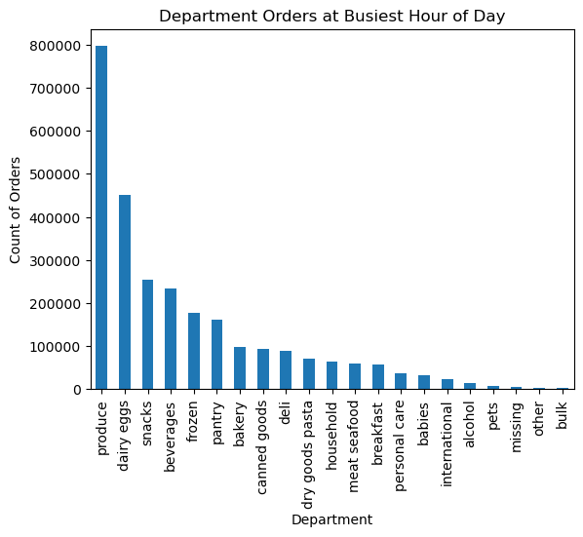
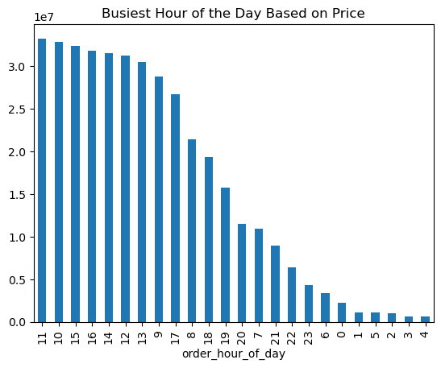
 | Title page

Visualisations

The sales team needs to know what the busiest days of the week and hours of the day are (i.e., the days and times with the most orders)
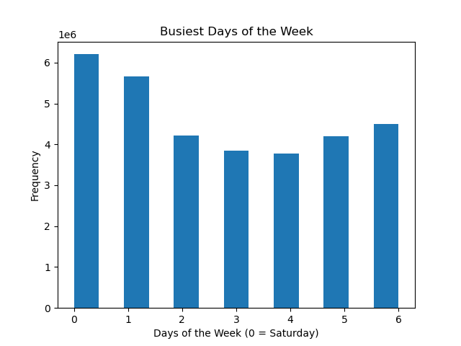
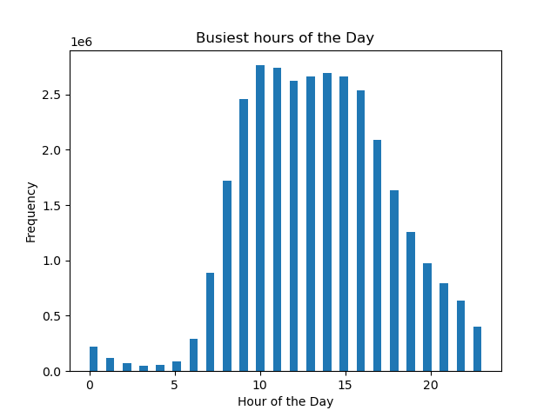

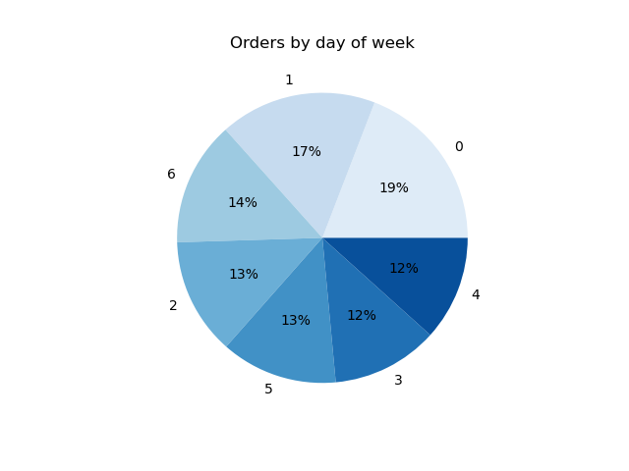

Saturday is the busiest day of the week followed by Sunday and 10 am to 15pm are the busiest hours of the day

Are there differences in ordering habits based on a customer’s loyalty status?

 |  | The loyal customers appear to be the most frequent customers. The regular customers are typically also frequent customers. New customers are the customers that are the least frequent.

Is there a difference in expenditure (the “prices” column) depending on the hour of the day?

 |  | The price expenditure is highest between 1 AM and 5 AM as well as on weekends. But this is not a strong corrlation bewteen price and time of day, it it clear the the least expensive purchases occur at 10 am.

Is there a connection between age and family status in terms of ordering habits?
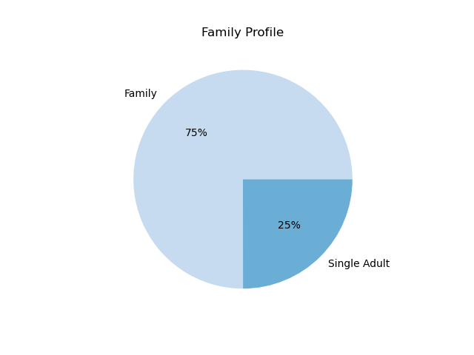

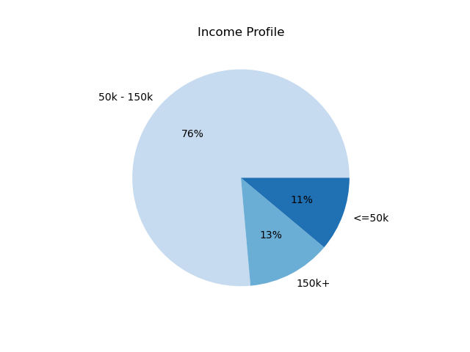

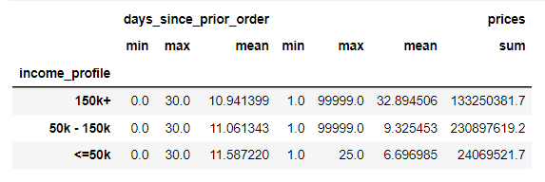

What different classifications does the demographic information suggest? Age? Income? Certain types of goods? Family status?
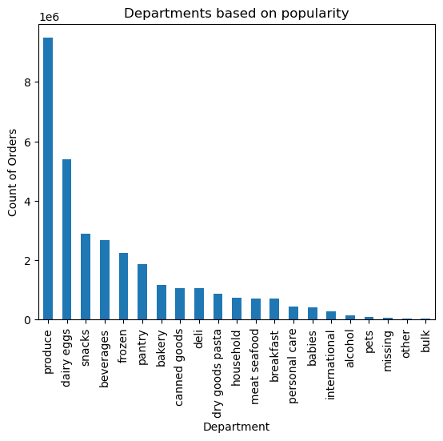
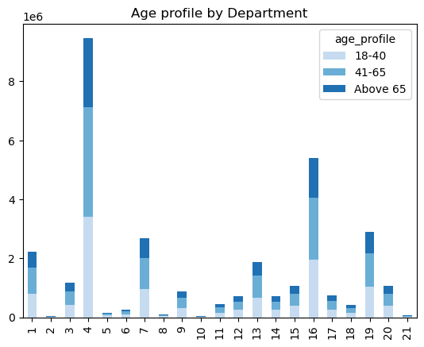

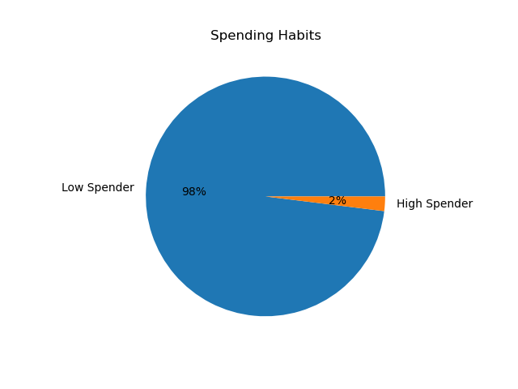

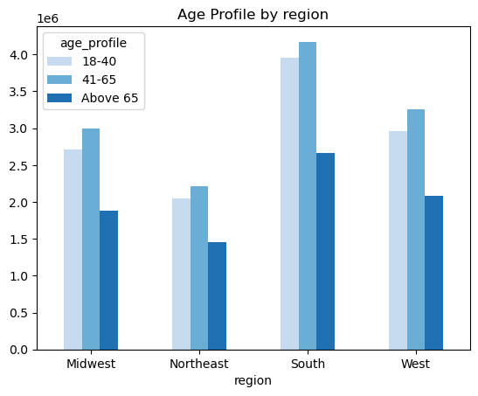
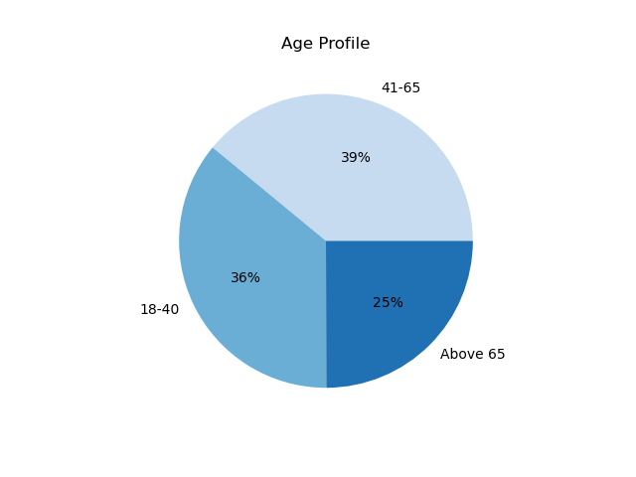
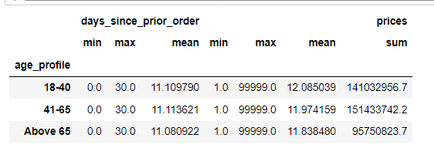

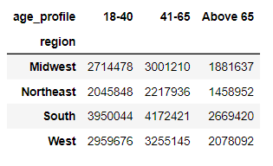

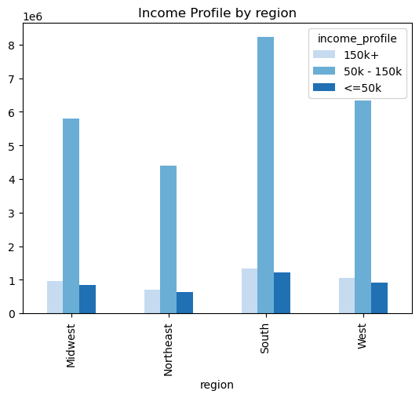
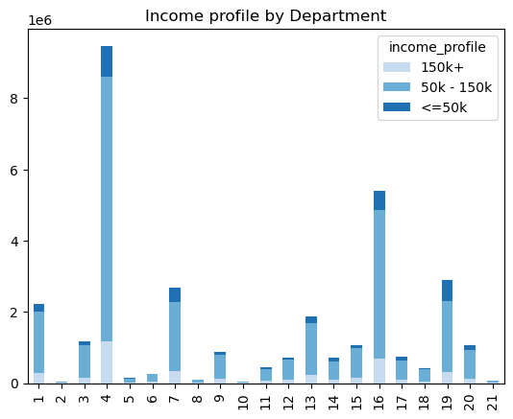

 |  | Customers with income 50k-150k in southern region is the highest category.

 |  | Produce is the highest category in department followed by dairy eggs across income groups.

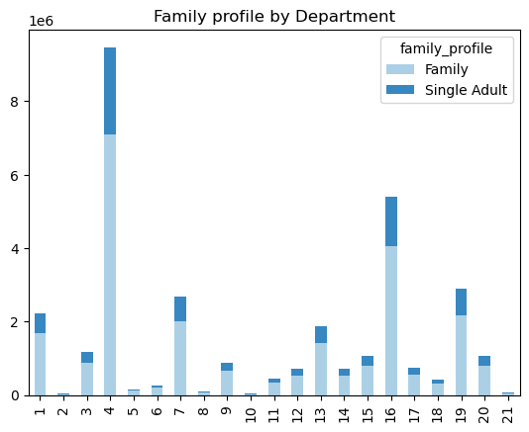
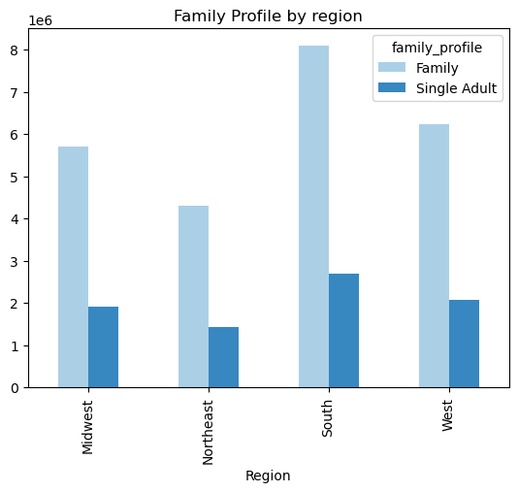

 |  | Customers with family in southern region is the highest category.

 |  | Customers with family purchase the most products in produce department followed by dairy eggs.

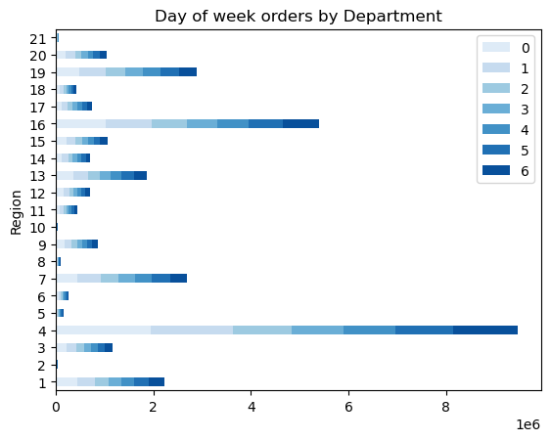
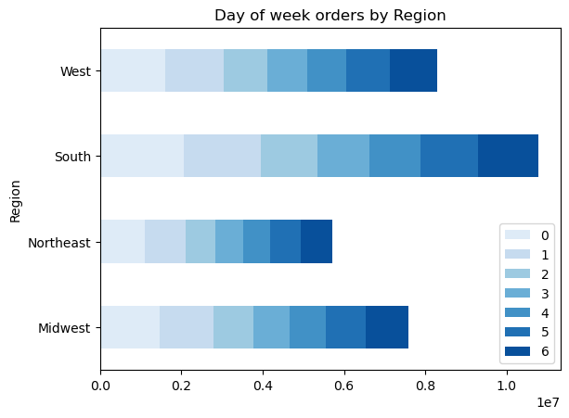

 |  | South region has Highest order count is on Saturday which is a day of week with highest orders.
 |  | Customers purchase the most products in produce department followed by dairy eggs on Saturday.

7. Recommendations
 |  |  |  |  |  |  |  |  | Title page

Recommendations

Sr. No. | Business Questions | Observations / Recommendations

Key Question 1 | The sales team needs to know what the busiest days of the week and hours of the day are (i.e., the days and times with the most orders) in order to schedule ads at times when there are fewer orders. | Saturday is the busiest day of the week followed by Sunday and 10 am to 15pm are the busiest hours of the day. 3 to 4 am is the time when order count is least. Better to schedule ads during busiest day and time.
Key Question 2 | They also want to know whether there are particular times of the day when people spend the most money, as this might inform the type of products they advertise at these times. | Customers will spend money on higher priced items around 4pm each day, but that does not necessarily mean they spend the most at that time. The busiest hour according to price is 11am. The top departments from where the products are bought include Produce, Dairy and Eggs. Instacart should identify the higher priced items that are being purchased around that 4pm time frame and then advertise those items in that time frame.
Key Question 3 | Instacart has a lot of products with different price tags. Marketing and sales want to use simpler price range groupings to help direct their efforts. | The price range groupings are "High Spender" and "Low Spender". Only 2% customers are in High Spender category. Instacart should focus on advertising higher priced items to help increase the revenue for higher priced items. |  |  |  |  | 
Key Question 4 | Are there certain types of products that are more popular than others? The marketing and sales teams want to know which departments have the highest frequency of product orders. | The departments with highest frequency of product orders - Produce, Dairy eggs, Snacks, Beverages, Frozen. Department with less market share can be marked as low share departments. They are 'household', 'meat seafood', 'breakfast', 'personal care', 'babies', 'international', 'alcohol', 'pets', 'missing', 'other', 'bulk'.
Key Question 5.1 | What’s the distribution among users in regards to their brand loyalty (i.e., how often do they return to Instacart)? | The loyal customers are mostly the frequent customers. The regular customers are typically also frequent customers. New customers are the customers that are the least frequent. Should think for some special offer to new customers to increase there order count. |  | 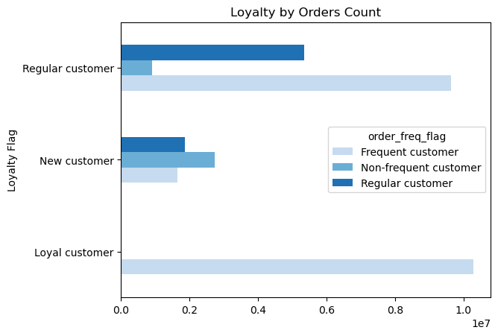
Key Question 5.2 | Are there differences in ordering habits based on a customer’s loyalty status? | Regular customers have the most orders . They are also frequent order customers. Here advertise to re-order common items will help increase orders and loyalty. | 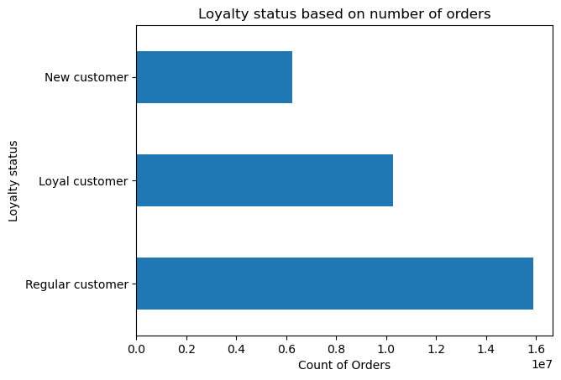
Key Question 5.3 | Are there differences in ordering habits based on a customer’s region? | Number of orders is highest in the region South followed by West, Midwest and Northeast. The South is the region that leads many categories, so my recommendation is to find a common denominator of why the South does so well, then implement that strategy through advertising in other regions, starting with the Northeast region. |  | 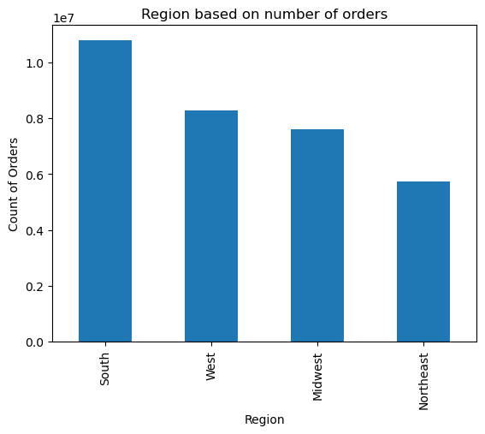
Key Question 5.4 | Is there a connection between age and family status in terms of ordering habits? | There are upto 3 dependants across age group 20-80. There is such a large connection between age a family status, and that families do represent such a large portion of revenue for Instacart, a significant portion of the advertising budget should be targeted towards family items. |  |  | 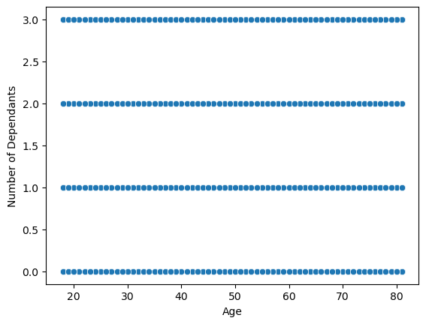
Key Question 5.5 | What different classifications does the demographic information suggest? Age? Income? Certain types of goods? Family status? | The age group 41-65 represents the highest revenue, followed closely by the 18-40 age group. Similar to all age profiles, all income profiles also have 11 days since their prior order. The 50k-150k income profile represents the highest revenue. Those customers with families represent the highest revenue of 75%. Since families represent the most revenue, less expensive products should be advertised and those products should fall into a few departments, such as produce, canned goods, and pantry. |  |  | 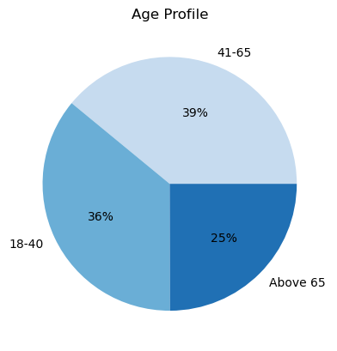 | 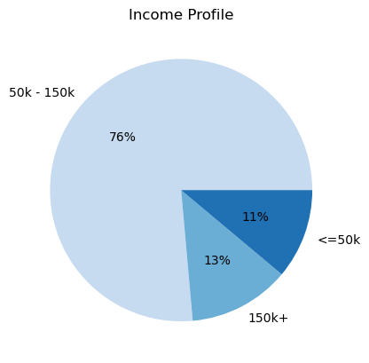 |  | 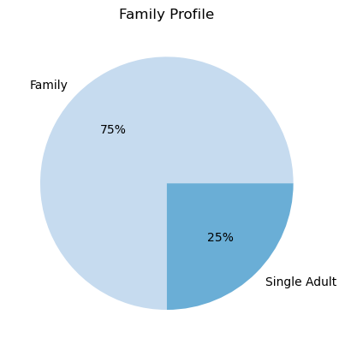
Key Question 5.6 | What differences can you find in ordering habits of different customer profiles? | Customers will spend very similarly to other customers regardless of their income profile, with a few exceptions. Families certainly spend more on produce than single people. At or after 40 years old, income tends to get higher for that age profile. I would reccommend fine tune advertising on produce towards families.

